Home
Python in Excel
By Christian Martinez
MENU
Select a page
 | Intro to Python in Excel
 | by Christian Martinez

Home
 | Availability
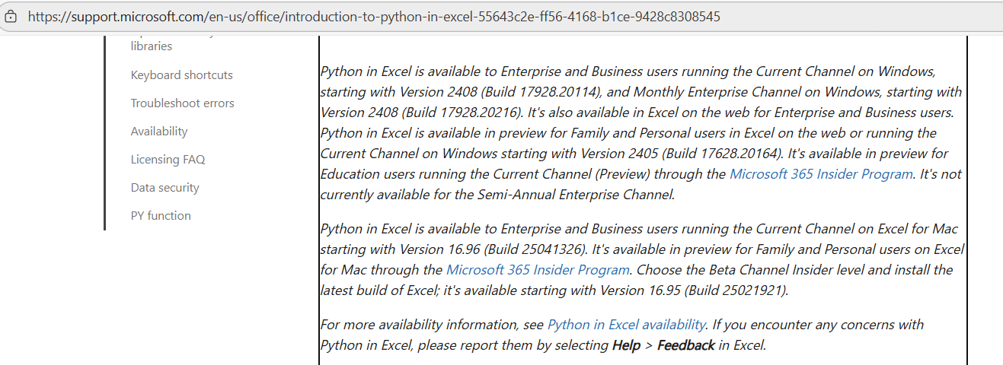
Headcount Analysis

Cohort Analysis

SaaS Forecast

Linear Regression

Learn more Python in Excel

 | How to enable Python in Excel

 | Python in Excel is available in Excel for Windows for customers with Enterprise or Business Microsoft 365 subscriptions running the Current Channel, starting with Version 2408 (Build 17928.20114), and Monthly Enterprise Channel, starting with Version 2408 (Build 17928.20216). It's also available in Excel on the web for Enterprise and Business users

 | Python in Excel is available in preview for Family and Personal users in Excel on the web or running Current Channel on Windows, starting with Version 2405 (Build 17628.20164).

 | If you have an Education subscription, join the Microsoft 365 Insider Program to use the Python in Excel preview. Choose the Current Channel (Preview) Insider level and install the latest build of Excel.

 | On Excel for Mac, join the Microsoft 365 Insider Program to use the Python in Excel preview. Choose the Beta Channel Insider level and install the latest build of Excel.

 | Don't have Insider access? Sign up with your Microsoft, work, or school account to be notified about future availability for Python in Excel.

 | Platform availability

 | Python in Excel is available in Excel for Windows, Excel on the web, and Excel for Mac. The feature is not available on the following platforms.

 | Excel for iPad

 | Excel for iPhone

 | Excel for Android

 | On unsupported platforms, workbooks containing Python can be viewed but Python cells display an error when recalculated. For more availability information, see Python in Excel availability.

 | Python runs in the cloud

 | Python in Excel calculations run in the Microsoft Cloud with a standard version of the Python language. Python in Excel comes with a core set of Python libraries provided by Anaconda through a standard, secure distribution. To learn more, see Data security and Python in Excel.

 | You don't need a local version of Python to use Python in Excel. If you have a local version of Python installed on your computer, any customizations you've made to that Python installation won't be reflected in Python in Excel calculations.

 | Copilot in Excel with Python

 | Copilot in Excel with Python enables you to use AI (artificial intelligence) and Python in Excel together, without being a Python or Excel expert. Use it to get deeper insights from your data by leveraging the power of Python analytics with help from Copilot. To learn more, see Copilot in Excel with Python.

 | More info

 | Introduction to Python in Excel - Microsoft Support

Headcount by Department
Python in Excel
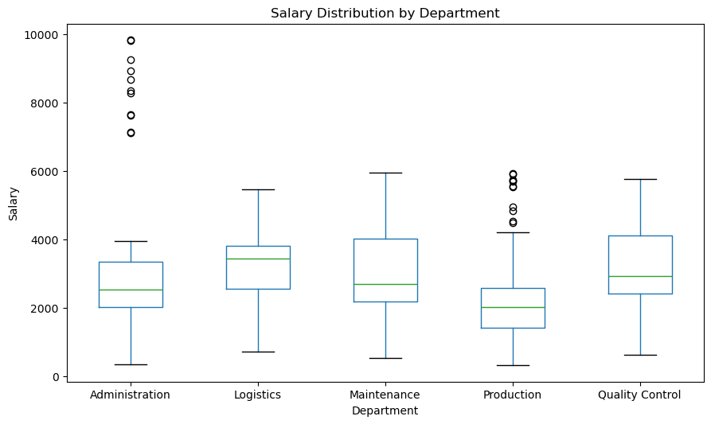
By Christian Martinez
Name | Department | Position | Salary | Increase Decided for 2024
Alexandra White | Administration | Administration Officer | 2024.0031533 | 0.05
Alison Chan | Administration | Accountant | 2080.1971058 | 0.04
Alison James | Administration | HR Officer | 1744.7006663 | 0.03
MENU
Amanda Huerta | Administration | Administration Officer | 2031.0380904 | 0.02
Amanda Wood | Administration | Administration Officer | 1782.1330823 | 0
Amy Garza | Administration | Administration Officer | 2462.1401019 | 0.01
Select a page
Andrew Edwards | Administration | Administration Officer | 2174.378437 | 0.05
Andrew Frank | Administration | Administration Officer | 3056.3443472 | 0
Andrew Moon | Administration | Administration Officer | 3863.4762185 | 0.03
Home
Anthony Garrison | Administration | Administration Officer | 1270.5154706 | 0.01
Anthony Hernandez | Administration | HR Officer | 2976.7619553 | 0.03
Ashley Landry | Administration | Administration Officer | 1712.7553243 | 0.03
Austin Ware | Administration | Administration Officer | 2168.5763121 | 0.05
Barbara Wilson DVM | Administration | Accountant | 3900.6752388 | 0.05
Headcount Analysis
Benjamin Wilson | Administration | Administration Officer | 2348.946492 | 0.05
Bonnie Porter | Administration | Accountant | 1535.54898 | 0.04
Bonnie Scott | Administration | Administration Officer | 1854.1887211 | 0.04
Brian Carpenter | Administration | Management | 7629.465544 | 0
Cohort Analysis
Brianna Benson | Administration | HR Officer | 3426.7408108 | 0
Calvin Underwood | Administration | Administration Officer | 2352.8375228 | 0.03
Chad Arellano | Administration | HR Officer | 2944.4741644 | 0.01
Cheryl Lyons | Administration | Administration Officer | 810.06113062 | 0.04
Christina Cruz | Administration | Administration Officer | 2614.0044547 | 0
SaaS Forecast
Christopher Lopez | Administration | Administration Officer | 1800.1958535 | 0.01
Christy Alexander | Administration | Accountant | 1604.1149718 | 0
Connie Johnson | Administration | HR Officer | 3037.4009549 | 0.04
Courtney Bowman | Administration | HR Officer | 3037.1806275 | 0.02
Linear Regression
Craig Thompson | Administration | Administration Officer | 3732.2664256 | 0.01
Danny Hernandez | Administration | Administration Officer | 1589.6629261 | 0.03
Danny Sellers | Administration | Management | 8345.0092846 | 0.02
David Armstrong | Administration | Accountant | 2721.6906309 | 0
David Washington | Administration | Administration Officer | 1964.2423125 | 0.03
Derek Conner | Administration | Administration Officer | 2112.7614152 | 0
Learn more Python in Excel
Dillon Davis | Administration | Accountant | 3743.775854 | 0
Donna Clarke | Administration | Administration Officer | 2111.9163759 | 0.02
Dr. Charles Cruz | Administration | Administration Officer | 2575.9290372 | 0.02 |  | Department | Headcount | AvgSalary | MedianSalary | P90Salary | ShareWithIncrease
Edward Brown | Administration | HR Officer | 3781.0436077 | 0.02 | 3 | Production | 599 | 2054.21 | 2023.38 | 2940.4 | 86.0%
Emily Ellis | Administration | Administration Officer | 3880.1507567 | 0.03 | 0 | Administration | 148 | 2944.08 | 2547.4 | 3884.61 | 79.7%
Erin Duncan | Administration | Accountant | 2185.2083121 | 0.05 | 2 | Maintenance | 100 | 3024.14 | 2708.76 | 4549.43 | 80.0%
Erin Jenkins | Administration | Administration Officer | 2550.4647662 | 0 | 4 | Quality Control | 100 | 3192.03 | 2941.74 | 4684.21 | 79.0%
Garrett Rogers | Administration | Management | 8929.8681463 | 0.01 | 1 | Logistics | 50 | 3243.95 | 3441.58 | 4539.54 | 82.0%
Gary Torres | Administration | Administration Officer | 1124.3353394 | 0.04
Gary Wyatt | Administration | Administration Officer | 2390.6945278 | 0.03
Gregory Browning | Administration | Administration Officer | 1837.7828097 | 0.05
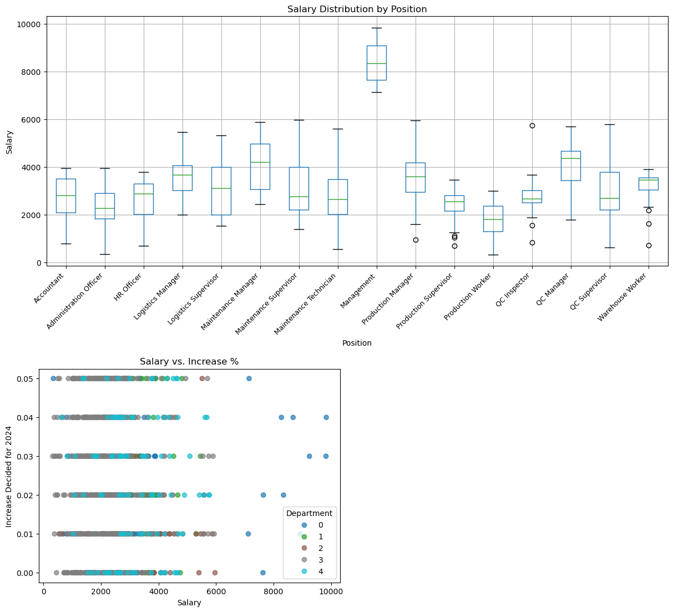
Gregory Parker | Administration | Administration Officer | 1782.079509 | 0.04
Heather Hampton | Administration | Administration Officer | 2239.427394 | 0.02
Heather Wheeler | Administration | HR Officer | 3742.7384671 | 0.01
Heidi Willis | Administration | HR Officer | 2815.4633663 | 0.02
Isaiah Daniel | Administration | Administration Officer | 2256.640596 | 0.02
James Humphrey | Administration | Administration Officer | 3665.0593148 | 0
James Hunter | Administration | Administration Officer | 2375.2237434 | 0.05
James Saunders | Administration | Accountant | 1756.4501497 | 0
Jamie Cross | Administration | Accountant | 2544.3274717 | 0
Jason Hall | Administration | Accountant | 793.41368603 | 0.01
Jason Martin | Administration | HR Officer | 2950.6832182 | 0.05
Jeff Mccullough | Administration | Administration Officer | 3097.4198443 | 0.02
Jennifer Chapman | Administration | Management | 9830.424746 | 0.04
Jennifer Jackson | Administration | HR Officer | 2401.78098 | 0.02
Jennifer Stewart | Administration | Accountant | 877.96717969 | 0.03
Jessica Buckley | Administration | Administration Officer | 2079.3315183 | 0.04
Jill Duarte | Administration | HR Officer | 2932.0753734 | 0.05
Jo Collins | Administration | Accountant | 3055.5051714 | 0.02
John Caldwell | Administration | Accountant | 3643.3741148 | 0.03
Jorge Flores | Administration | Accountant | 3679.8414415 | 0
Jose Hunt | Administration | Administration Officer | 2143.2476897 | 0.03
Joseph Chang | Administration | HR Officer | 1875.3984672 | 0.02
Joseph Hudson | Administration | Accountant | 2127.9805341 | 0.04
Joseph Sims | Administration | HR Officer | 1566.9638526 | 0.01
Joseph Warren | Administration | Management | 7147.7884563 | 0.05
Joshua Cherry | Administration | HR Officer | 3368.3238464 | 0.03
Joshua Romero | Administration | Administration Officer | 2283.6256549 | 0.04
Joshua Tate | Administration | HR Officer | 685.76651636 | 0.01
Joyce Carpenter | Administration | Administration Officer | 1551.7845523 | 0.01
Katherine Carter | Administration | HR Officer | 3119.0561903 | 0.03
Katherine Pierce | Administration | Accountant | 2540.3553267 | 0.05
Katie Cortez | Administration | Management | 9244.5372353 | 0.03
Katie Davis | Administration | HR Officer | 2023.3514856 | 0.03
Kenneth Howard | Administration | HR Officer | 1508.9558278 | 0.02
Kenneth Williams | Administration | Administration Officer | 2382.7787163 | 0.02
Kimberly Bennett | Administration | Management | 9819.4391674 | 0.03
Larry Christian | Administration | Accountant | 3260.5340545 | 0
Larry Perry | Administration | HR Officer | 3369.3617026 | 0.05
Larry Wang | Administration | Administration Officer | 3485.5542135 | 0.02
Laura Hartman | Administration | Accountant | 3958.1899836 | 0.02
Laura Nelson | Administration | Administration Officer | 3935.453087 | 0.02
Linda Swanson | Administration | HR Officer | 1616.5972371 | 0.04
Lisa Johnson | Administration | HR Officer | 2886.1286652 | 0.04
Lisa Moon | Administration | Accountant | 1661.3928959 | 0
Makayla Armstrong | Administration | Administration Officer | 2157.4101433 | 0.04
Margaret Ramirez | Administration | Administration Officer | 3281.2881827 | 0
Mark Griffin | Administration | Administration Officer | 2146.4732408 | 0.04
Martha Bennett | Administration | Accountant | 3655.6514042 | 0.03
Mary Barnett | Administration | Accountant | 3131.1312784 | 0.01
Mary Forbes | Administration | HR Officer | 2229.2026737 | 0.04
Matthew Hughes | Administration | HR Officer | 2699.6644551 | 0.01
Megan Lane | Administration | Accountant | 3836.385722 | 0
Michael Morales | Administration | Administration Officer | 2293.2385992 | 0.05
Miguel Kennedy | Administration | Administration Officer | 345.97174652 | 0.05
Miranda Reed | Administration | Administration Officer | 1589.6156509 | 0.01
Mitchell Stafford | Administration | Administration Officer | 3203.033152 | 0
Mr. Christopher Hodges PhD | Administration | Accountant | 3033.5563192 | 0.03
Mr. Patrick Berry | Administration | Accountant | 3800.0516183 | 0.02
Mrs. Heather Barnett | Administration | Administration Officer | 2309.0010404 | 0
Nicholas Evans | Administration | Administration Officer | 1531.1599194 | 0
Nicholas Nelson | Administration | Management | 8271.0871536 | 0.04
Nicole Allen | Administration | Administration Officer | 2073.5564838 | 0.03
Olivia Smith | Administration | Administration Officer | 1081.0912082 | 0
Paige Phillips | Administration | HR Officer | 3340.4526618 | 0.05
Paul Anderson | Administration | Accountant | 2260.459292 | 0.04
Paul Copeland | Administration | Administration Officer | 3020.5616313 | 0.01
Philip Martinez | Administration | Administration Officer | 849.26960396 | 0
Phyllis Martinez | Administration | Accountant | 2981.0618584 | 0.05
Rachael Rojas | Administration | Administration Officer | 2133.702704 | 0.05
Randall Williams | Administration | Management | 7643.2400693 | 0.02
Rebekah Santos | Administration | Administration Officer | 3395.2085098 | 0.01
Richard Bowers | Administration | HR Officer | 1725.5733406 | 0
Richard Brown | Administration | Accountant | 2618.980295 | 0.04
Richard Cabrera | Administration | HR Officer | 2072.288687 | 0
Robert Hensley | Administration | HR Officer | 3345.1200937 | 0.03
Robert Humphrey | Administration | Administration Officer | 3014.2729302 | 0.03
Robert Ramos | Administration | Administration Officer | 2764.2713271 | 0.01
Ryan Carr | Administration | HR Officer | 3300.1264482 | 0.01
Ryan Nelson Jr. | Administration | Administration Officer | 1451.2459215 | 0
Sabrina Cook | Administration | HR Officer | 2462.2700659 | 0.04
Samuel Williams | Administration | HR Officer | 3502.7982575 | 0.04
Sarah Logan | Administration | Management | 8676.8609192 | 0.04
Sarah Lowery | Administration | HR Officer | 1663.9093356 | 0
Sarah Mclaughlin | Administration | Administration Officer | 3411.7955765 | 0
Sarah Villanueva | Administration | HR Officer | 3702.0946454 | 0.02
Scott Little | Administration | Accountant | 2797.5062359 | 0.05
Sharon Stewart | Administration | Administration Officer | 3205.4865023 | 0.01
Shirley Rhodes | Administration | Accountant | 2805.3968649 | 0.04
Stephanie Gillespie | Administration | Administration Officer | 2398.5253242 | 0.02
Susan Coleman | Administration | Accountant | 3024.3699119 | 0.02
Tammy Austin | Administration | HR Officer | 3063.9315419 | 0.03
Tammy Grant | Administration | Management | 7119.7617601 | 0.01
Theresa Davis | Administration | Administration Officer | 3895.0248415 | 0.03
Thomas Alvarez | Administration | HR Officer | 2649.5725649 | 0.03
Tiffany Byrd | Administration | Accountant | 1116.8542879 | 0.02
Tiffany Chambers | Administration | Administration Officer | 862.2534585 | 0.01
Tina Anthony | Administration | Accountant | 3601.3288515 | 0.02
Tracy Hudson | Administration | Accountant | 3116.7424117 | 0
Troy Scott | Administration | HR Officer | 1802.6823699 | 0.01
Vanessa Miller | Administration | Administration Officer | 2366.7879068 | 0.01
Virginia Black | Administration | HR Officer | 2537.6498888 | 0
Virginia Cooper | Administration | Accountant | 2079.0472545 | 0.04
William Johnson V | Administration | Administration Officer | 2433.6115488 | 0.01
William Pope | Administration | Administration Officer | 2941.1781776 | 0.01
Amber Baker | Logistics | Logistics Supervisor | 5314.0395484 | 0.01
Amy Schmidt | Logistics | Warehouse Worker | 3726.2271831 | 0.02
Blake Hickman | Logistics | Warehouse Worker | 3847.4025774 | 0.01
Brian Parker | Logistics | Logistics Manager | 2141.6543581 | 0.01
Bruce Bradford | Logistics | Logistics Manager | 5457.8953923 | 0.03
Carrie Graham | Logistics | Logistics Supervisor | 3435.4927639 | 0.01
Courtney Green | Logistics | Logistics Supervisor | 1774.6054434 | 0.05
Cynthia Smith | Logistics | Warehouse Worker | 3040.9731905 | 0.05
Dana Powers | Logistics | Logistics Supervisor | 1791.333651 | 0
Daniel Simmons | Logistics | Logistics Manager | 3824.9721064 | 0.04
David White | Logistics | Warehouse Worker | 3568.1157805 | 0.05
Donna Graham | Logistics | Warehouse Worker | 3550.6826077 | 0
Drew Huber | Logistics | Warehouse Worker | 2175.168759 | 0.05
Erica Martin | Logistics | Logistics Manager | 1992.2746172 | 0.05
Jared Drake | Logistics | Logistics Supervisor | 2859.9432523 | 0.02
Jay Booker | Logistics | Logistics Supervisor | 4671.6734215 | 0.02
Jonathan Pugh | Logistics | Logistics Supervisor | 2055.8103014 | 0.04
Kelsey Johnson | Logistics | Logistics Supervisor | 1631.946055 | 0.02
Kristin Miller | Logistics | Warehouse Worker | 3130.0878094 | 0.05
Laura Walker | Logistics | Logistics Manager | 3754.8590283 | 0
Laurie Arellano | Logistics | Logistics Supervisor | 3027.4435212 | 0.04
Leslie Harris | Logistics | Warehouse Worker | 3883.0548865 | 0.02
Linda Myers | Logistics | Logistics Manager | 3560.0692294 | 0.01
Linda Reyes | Logistics | Logistics Supervisor | 4308.0077801 | 0.05
Linda Williams | Logistics | Warehouse Worker | 3889.397729 | 0.05
Lisa Jackson | Logistics | Logistics Manager | 4816.6673155 | 0.05
Lucas Pineda DDS | Logistics | Warehouse Worker | 3530.8626974 | 0.02
Marcus Murphy | Logistics | Logistics Supervisor | 3698.2985901 | 0.02
Matthew Barker | Logistics | Warehouse Worker | 720.66071653 | 0
Melissa Bauer | Logistics | Logistics Supervisor | 3108.0681628 | 0.03
Michael Brennan | Logistics | Logistics Supervisor | 1951.1027753 | 0.04
Michele Miller | Logistics | Logistics Manager | 3844.0773647 | 0
Michelle Newman | Logistics | Warehouse Worker | 3421.342132 | 0.05
Nancy Andrews | Logistics | Logistics Manager | 4757.9722029 | 0
Oscar Ortiz | Logistics | Warehouse Worker | 3457.6308657 | 0.02
Preston Hale | Logistics | Warehouse Worker | 3431.3012588 | 0.03
Rebecca Anderson | Logistics | Logistics Manager | 3530.7767807 | 0
Rebecca Nelson | Logistics | Logistics Supervisor | 4524.857946 | 0.03
Sabrina Mccann MD | Logistics | Logistics Supervisor | 1519.9201904 | 0.03
Samuel Evans | Logistics | Logistics Supervisor | 3823.2174764 | 0.02
Sarah Gonzalez | Logistics | Logistics Supervisor | 3254.5246011 | 0.03
Sarah Ochoa | Logistics | Logistics Manager | 3167.9261446 | 0.04
Shane Brown DDS | Logistics | Warehouse Worker | 3041.6531983 | 0.02
Shawn Williams | Logistics | Logistics Manager | 2541.6134873 | 0
Stephanie Jones | Logistics | Logistics Supervisor | 4151.4009252 | 0.05
Stephanie Thompson DVM | Logistics | Warehouse Worker | 1611.6001015 | 0.03
Susan Hernandez | Logistics | Logistics Supervisor | 2582.3472705 | 0
Tamara Nelson | Logistics | Warehouse Worker | 3447.6768941 | 0.02
Taylor Little | Logistics | Warehouse Worker | 3532.3206317 | 0.02
Tina Moore | Logistics | Warehouse Worker | 2316.5214097 | 0.04
Abigail Whitehead | Maintenance | Maintenance Supervisor | 3949.5710535 | 0.01
Alexandra Bishop | Maintenance | Maintenance Technician | 4649.3659441 | 0.01
Alice Ryan | Maintenance | Maintenance Supervisor | 4022.8549173 | 0.01
Amanda Norris | Maintenance | Maintenance Technician | 2991.141651 | 0.01
Amanda Underwood | Maintenance | Maintenance Technician | 2076.486769 | 0.03
Amber Jones | Maintenance | Maintenance Technician | 3357.1249175 | 0.03
Andrea Rodriguez | Maintenance | Maintenance Technician | 2554.603389 | 0.05
Angela Powell | Maintenance | Maintenance Technician | 1499.1940489 | 0.04
Angela Warren | Maintenance | Maintenance Technician | 2615.0580206 | 0.02
Ann Bush | Maintenance | Maintenance Technician | 2683.7264473 | 0
Ann Crawford | Maintenance | Maintenance Technician | 3103.990838 | 0.01
Anthony Wall | Maintenance | Maintenance Supervisor | 3401.650436 | 0.01
April Anderson | Maintenance | Maintenance Technician | 1536.7869709 | 0
April Phillips | Maintenance | Maintenance Supervisor | 2763.3465208 | 0.02
Ashley Mckinney | Maintenance | Maintenance Technician | 4175.6034442 | 0.02
Bailey Mccarthy | Maintenance | Maintenance Supervisor | 2021.6689309 | 0.01
Barbara Sherman | Maintenance | Maintenance Technician | 2339.0945885 | 0.03
Beth Jones | Maintenance | Maintenance Supervisor | 2662.0674134 | 0.01
Brian Webster | Maintenance | Maintenance Manager | 5515.6482154 | 0.05
Caleb Carter | Maintenance | Maintenance Supervisor | 1778.9567658 | 0.02
Carol Ayers | Maintenance | Maintenance Manager | 4491.6986038 | 0.02
Cassandra Barker | Maintenance | Maintenance Technician | 2762.5803782 | 0.01
Charles Guerrero | Maintenance | Maintenance Technician | 2656.9389619 | 0.02
Cheryl Cooper | Maintenance | Maintenance Supervisor | 3663.883551 | 0.02
Cheyenne Sanchez MD | Maintenance | Maintenance Technician | 2508.0443389 | 0.01
Christine Young | Maintenance | Maintenance Supervisor | 2037.6233557 | 0.01
Christopher Riley | Maintenance | Maintenance Manager | 3689.9740767 | 0.01
Christopher Roberts | Maintenance | Maintenance Technician | 5588.8621677 | 0.02
Cindy Gonzalez | Maintenance | Maintenance Technician | 1538.9318621 | 0.01
Courtney Chen | Maintenance | Maintenance Technician | 582.47203483 | 0.01
Danielle Cervantes | Maintenance | Maintenance Technician | 2663.3044608 | 0.01
Dawn Hobbs | Maintenance | Maintenance Technician | 1130.4645651 | 0.01
Derrick Baker | Maintenance | Maintenance Technician | 3622.2680518 | 0.04
Donald Miller | Maintenance | Maintenance Manager | 5469.5467945 | 0.01
Dr. Aaron Jones | Maintenance | Maintenance Supervisor | 2693.2005797 | 0.04
Edward Vargas | Maintenance | Maintenance Supervisor | 3187.300991 | 0.03
Evan Jones | Maintenance | Maintenance Supervisor | 2168.8833728 | 0.02
Frank Rose | Maintenance | Maintenance Supervisor | 4595.2483593 | 0.04
Hayley Williams | Maintenance | Maintenance Supervisor | 2320.3314767 | 0.02
Heather Morgan | Maintenance | Maintenance Technician | 2664.5962662 | 0.03
Heidi Arnold | Maintenance | Maintenance Technician | 3851.9159087 | 0
Jaime Dawson | Maintenance | Maintenance Technician | 1515.055218 | 0
Jason Carpenter | Maintenance | Maintenance Technician | 1501.6844982 | 0.02
Jeffrey Johnson | Maintenance | Maintenance Supervisor | 4544.3337033 | 0.01
Jennifer Stewart | Maintenance | Maintenance Technician | 1510.1717014 | 0.01
John Brennan | Maintenance | Maintenance Manager | 2685.2989638 | 0
John Roth | Maintenance | Maintenance Technician | 2333.8990145 | 0
Joseph Perez | Maintenance | Maintenance Technician | 545.62478816 | 0.01
Joshua James DDS | Maintenance | Maintenance Supervisor | 1382.3327046 | 0.01
Joy Gould | Maintenance | Maintenance Manager | 2445.2610752 | 0.02
Justin Murphy | Maintenance | Maintenance Technician | 2990.7085866 | 0.03
Katherine White | Maintenance | Maintenance Supervisor | 2205.7257535 | 0.04
Kathryn Snyder | Maintenance | Maintenance Technician | 1606.7738128 | 0.01
Kelly Davis | Maintenance | Maintenance Technician | 4370.5843444 | 0.01
Kendra Martin | Maintenance | Maintenance Supervisor | 3654.482809 | 0
Kenneth Hansen | Maintenance | Maintenance Technician | 4415.5434024 | 0.04
Kenneth Jones | Maintenance | Maintenance Supervisor | 4063.8549318 | 0.01
Kevin Knapp | Maintenance | Maintenance Manager | 2598.8750049 | 0.03
Kevin Perez | Maintenance | Maintenance Supervisor | 3810.6878069 | 0
Kristen Hill | Maintenance | Maintenance Technician | 2485.5860914 | 0.02
Krystal Meza | Maintenance | Maintenance Technician | 2148.2711387 | 0
Kyle Porter | Maintenance | Maintenance Technician | 5583.6783842 | 0.01
Laura Moore | Maintenance | Maintenance Supervisor | 2074.7789602 | 0
Linda Smith | Maintenance | Maintenance Supervisor | 2112.0046659 | 0.01
Lisa Hernandez | Maintenance | Maintenance Supervisor | 5405.0815103 | 0
Matthew Watson | Maintenance | Maintenance Supervisor | 2771.5493199 | 0.02
Meghan Garza | Maintenance | Maintenance Supervisor | 2207.47016 | 0
Melissa Smith | Maintenance | Maintenance Technician | 2816.2211023 | 0.01
Mr. Omar Flores III | Maintenance | Maintenance Technician | 2575.6107354 | 0.01
Nancy Blackwell | Maintenance | Maintenance Technician | 2180.8034473 | 0.01
Nathan Rowe | Maintenance | Maintenance Manager | 4209.6251537 | 0
Pamela Padilla | Maintenance | Maintenance Technician | 3574.9752123 | 0.03
Patricia Davis | Maintenance | Maintenance Technician | 1130.3187559 | 0.02
Peggy Pena | Maintenance | Maintenance Supervisor | 2445.2764164 | 0.01
Richard Patterson | Maintenance | Maintenance Technician | 2822.2152 | 0.01
Robert Garcia | Maintenance | Maintenance Supervisor | 4095.3440533 | 0
Robin Benjamin | Maintenance | Maintenance Supervisor | 1564.3777886 | 0.01
Ryan Robinson | Maintenance | Maintenance Supervisor | 2476.7190571 | 0.01
Ryan Simmons | Maintenance | Maintenance Manager | 5866.7882669 | 0.01
Ryan Wagner | Maintenance | Maintenance Technician | 1937.001404 | 0
Samuel Nguyen | Maintenance | Maintenance Supervisor | 2662.3682099 | 0.01
Sarah Alvarez DDS | Maintenance | Maintenance Technician | 3405.1298032 | 0.01
Shannon Moran | Maintenance | Maintenance Supervisor | 2842.8684597 | 0.03
Sharon Jones | Maintenance | Maintenance Technician | 4085.3342067 | 0.01
Stephanie Brown | Maintenance | Maintenance Supervisor | 4074.3918512 | 0
Stephanie Miller | Maintenance | Maintenance Manager | 4201.2757895 | 0.03
Stephen Garcia | Maintenance | Maintenance Supervisor | 4401.2176117 | 0.01
Tammy Brown | Maintenance | Maintenance Supervisor | 1998.4429894 | 0.02
Tammy Johnson | Maintenance | Maintenance Technician | 2199.3259903 | 0.03
Tara Sanchez | Maintenance | Maintenance Technician | 4233.9328375 | 0.04
Teresa Smith | Maintenance | Maintenance Technician | 639.60990602 | 0.01
Thomas Watkins | Maintenance | Maintenance Manager | 3430.0904453 | 0
Tiffany Ramirez | Maintenance | Maintenance Supervisor | 5963.5803724 | 0
Tina Huynh | Maintenance | Maintenance Supervisor | 2226.5024293 | 0.01
Tracy Rojas | Maintenance | Maintenance Supervisor | 2865.5620713 | 0
Victor Avila | Maintenance | Maintenance Supervisor | 4244.7111043 | 0.01
William Cobb | Maintenance | Maintenance Technician | 4408.5220086 | 0
William Rojas | Maintenance | Maintenance Technician | 2253.7433121 | 0.04
Willie Martinez | Maintenance | Maintenance Technician | 5302.1814095 | 0.01
Zachary Elliott | Maintenance | Maintenance Technician | 2724.3225365 | 0.01
Aaron Contreras | Production | Production Worker | 2102.7633761 | 0.02
Abigail Lucas | Production | Production Worker | 2750.6861412 | 0.02
Adam Ford | Production | Production Worker | 1440.2379446 | 0.03
Adam Olson | Production | Production Worker | 1086.3354326 | 0.01
Adrian Davis | Production | Production Manager | 4038.3863966 | 0.02
Alan Graham | Production | Production Worker | 1183.780935 | 0.03
Alan Lopez | Production | Production Supervisor | 2569.1007386 | 0.05
Albert Mason | Production | Production Worker | 1319.9979149 | 0.02
Albert Stephens | Production | Production Worker | 1125.4221228 | 0.05
Alex Smith MD | Production | Production Supervisor | 2359.2073551 | 0.01
Alexandra Morton | Production | Production Worker | 2664.9588681 | 0.04
Alexandra Salas | Production | Production Worker | 2669.9165466 | 0.03
Alexis Taylor | Production | Production Worker | 1757.9232878 | 0.03
Alicia Avila | Production | Production Worker | 2262.1181492 | 0.05
Alicia Cooper | Production | Production Worker | 1685.4263996 | 0.05
Alicia Hill | Production | Production Worker | 2681.3925106 | 0.02
Allen Johnson | Production | Production Worker | 1043.5294532 | 0.05
Allison Ellis | Production | Production Manager | 5542.1780963 | 0.03
Allison Kennedy | Production | Production Worker | 2662.5045715 | 0.05
Alyssa Thompson | Production | Production Worker | 830.98560334 | 0.01
Amanda Brooks | Production | Production Worker | 322.32439552 | 0.03
Amanda Gordon | Production | Production Worker | 1581.0916255 | 0
Amanda Khan | Production | Production Worker | 2635.056799 | 0.03
Amanda Lloyd | Production | Production Worker | 1223.4441281 | 0
Amanda Reed | Production | Production Worker | 763.24403353 | 0
Amber Hernandez | Production | Production Worker | 2423.0677955 | 0.05
Amber Jones | Production | Production Worker | 1324.0826915 | 0.03
Amber Stephens | Production | Production Worker | 456.28503389 | 0
Amber Taylor | Production | Production Worker | 1222.6579328 | 0.05
Amy Campbell | Production | Production Manager | 3161.8917008 | 0.04
Amy Fisher | Production | Production Worker | 2267.2070319 | 0.05
Amy Hickman | Production | Production Worker | 2782.0893772 | 0.05
Amy Rodriguez | Production | Production Worker | 1583.8230636 | 0.01
Andrew Daniels | Production | Production Supervisor | 2702.9517108 | 0.03
Andrew Garcia | Production | Production Manager | 3459.5532525 | 0.01
Andrew Golden | Production | Production Worker | 2059.8134402 | 0.02
Andrew Gonzales | Production | Production Worker | 2826.861603 | 0.03
Andrew Scott | Production | Production Supervisor | 3414.5919603 | 0
Andrew Smith | Production | Production Worker | 2611.7992667 | 0.01
Angel Franklin | Production | Production Worker | 1577.6260249 | 0.05
Angela Davis MD | Production | Production Worker | 1586.6874619 | 0
Angela Lucas DVM | Production | Production Worker | 2330.6005297 | 0
Angela Merritt | Production | Production Worker | 1699.3433166 | 0.01
Angela Williams | Production | Production Supervisor | 1663.6842612 | 0
Angela Yates | Production | Production Worker | 1564.0104352 | 0.05
Ann Martinez DVM | Production | Production Supervisor | 2588.1514604 | 0.03
Anna Allen | Production | Production Worker | 1513.5713999 | 0.04
Anna Barnes | Production | Production Manager | 3844.2891647 | 0.01
Anna Bruce | Production | Production Worker | 1028.9249269 | 0.05
Annette Morris | Production | Production Worker | 566.4507249 | 0.01
Anthony Chaney | Production | Production Worker | 1494.516067 | 0.02
Anthony Jones | Production | Production Worker | 1675.6310185 | 0
Anthony Kerr | Production | Production Supervisor | 2400.4485347 | 0.01
Anthony Mcgee | Production | Production Worker | 1514.3966878 | 0.03
Anthony Thompson | Production | Production Worker | 2417.1519672 | 0.01
Antonio Nelson | Production | Production Worker | 2148.9748697 | 0.05
Ashley Daniels | Production | Production Worker | 376.84650899 | 0.04
Ashley Hester | Production | Production Worker | 1300.3012924 | 0
Ashley Mcdowell | Production | Production Manager | 1600.999102 | 0.01
Ashley Smith | Production | Production Manager | 5725.1184996 | 0.01
Ashley Vance | Production | Production Supervisor | 2688.648317 | 0.02
Ashley Wood | Production | Production Worker | 1019.6011504 | 0.04
Austin Day | Production | Production Supervisor | 3286.1228492 | 0
Austin Dixon | Production | Production Worker | 2106.4953138 | 0.01
Barry Mcintosh | Production | Production Worker | 2306.1950069 | 0.02
Brandon Clark | Production | Production Worker | 1593.6804507 | 0.05
Brandon Riley | Production | Production Worker | 2093.2539938 | 0.04
Brandy Smith | Production | Production Worker | 2587.5384574 | 0
Brian Arias | Production | Production Worker | 1995.4084926 | 0.04
Brian Powell | Production | Production Worker | 1418.5707448 | 0.02
Brian Ramirez | Production | Production Worker | 1868.3364629 | 0.03
Brian Short | Production | Production Worker | 1006.3198634 | 0.05
Brian Smith | Production | Production Worker | 2577.2840145 | 0.02
Brian Sutton | Production | Production Worker | 1168.4800725 | 0.01
Brian Taylor | Production | Production Worker | 2875.421472 | 0.04
Brittany Howe | Production | Production Worker | 2243.9624885 | 0.04
Brittany Keller | Production | Production Worker | 1260.1540097 | 0.02
Brittany Richardson DDS | Production | Production Worker | 1833.8169007 | 0.02
Brittany Stark | Production | Production Worker | 800.74730573 | 0
Bruce Anderson | Production | Production Worker | 2143.4701309 | 0.01
Bryan Miller | Production | Production Worker | 2577.8135427 | 0.01
Bryan Perry | Production | Production Worker | 1398.5615071 | 0.05
Caitlyn Banks | Production | Production Worker | 2442.4798927 | 0.03
Caleb Jones | Production | Production Worker | 1475.6517555 | 0.01
Carla Green | Production | Production Worker | 1861.4446098 | 0.05
Carolyn Flores | Production | Production Worker | 2500.5374588 | 0.05
Chad Torres | Production | Production Worker | 2943.2834715 | 0.03
Charles Lewis | Production | Production Worker | 2076.5950774 | 0.05
Charlotte Cortez | Production | Production Worker | 2208.7982152 | 0.05
Chelsea Thomas | Production | Production Supervisor | 2286.246971 | 0.02
Chelsey Williams | Production | Production Supervisor | 2896.8103717 | 0.03
Cheyenne Johnson | Production | Production Worker | 866.92864075 | 0.05
Chris James | Production | Production Worker | 1408.624292 | 0.04
Christian Coleman | Production | Production Worker | 1686.6687821 | 0
Christian Gardner | Production | Production Worker | 1458.3932742 | 0.02
Christina Noble | Production | Production Supervisor | 2797.5752192 | 0
Christine Fitzpatrick | Production | Production Worker | 1298.5291813 | 0.01
Christine Padilla | Production | Production Supervisor | 1577.0585847 | 0.05
Christine Riley | Production | Production Worker | 1830.7236888 | 0.02
Christine Wagner | Production | Production Worker | 1366.5697592 | 0.05
Christopher Anderson | Production | Production Worker | 2612.5129577 | 0.02
Christopher Brown | Production | Production Worker | 1268.16829 | 0.05
Christopher Christian | Production | Production Worker | 1148.7926874 | 0.03
Christopher Hines | Production | Production Worker | 1546.957006 | 0.04
Christopher Hoover | Production | Production Worker | 2064.4552118 | 0.02
Christopher Kelly | Production | Production Worker | 2505.0861307 | 0.03
Christopher Maldonado Jr. | Production | Production Supervisor | 2884.8712412 | 0.05
Christopher Monroe | Production | Production Worker | 1790.3403526 | 0.04
Christopher Peterson | Production | Production Worker | 2384.9386398 | 0.04
Christopher Stanton | Production | Production Manager | 2586.5505373 | 0.05
Christy Warren | Production | Production Worker | 1038.8745409 | 0
Cindy Garrett | Production | Production Worker | 2020.6558394 | 0
Cindy Lawrence | Production | Production Worker | 1283.3510511 | 0.03
Cindy Logan | Production | Production Worker | 1144.8560994 | 0
Cindy Powell | Production | Production Worker | 2055.3563131 | 0.01
Claudia Cortez | Production | Production Worker | 2797.2378916 | 0.05
Clayton Rivera | Production | Production Worker | 1720.0014391 | 0.02
Cody Flynn | Production | Production Worker | 1330.9300562 | 0.03
Cody Jones | Production | Production Worker | 1659.235622 | 0.03
Cody Ryan | Production | Production Worker | 1141.3140498 | 0.02
Colleen Adams | Production | Production Worker | 2423.6984732 | 0.02
Courtney Grant | Production | Production Worker | 1861.4708511 | 0.05
Craig Ballard | Production | Production Worker | 2779.1336969 | 0.01
Craig Wyatt | Production | Production Worker | 2702.6199207 | 0.04
Crystal Frederick | Production | Production Supervisor | 3084.154312 | 0.03
Curtis Townsend | Production | Production Worker | 843.16251576 | 0.03
Cynthia Bowman | Production | Production Worker | 1858.5926201 | 0.04
Cynthia Johnson | Production | Production Worker | 1313.3067178 | 0
Dana Guerrero | Production | Production Worker | 2182.1976449 | 0.02
Daniel Butler | Production | Production Worker | 1873.3660614 | 0.04
Daniel Coleman | Production | Production Worker | 2089.0988593 | 0.05
Daniel Frazier | Production | Production Worker | 1942.7856435 | 0.04
Daniel Garrett | Production | Production Supervisor | 2428.8980926 | 0.04
Daniel Gilbert | Production | Production Supervisor | 2768.6117398 | 0.05
Daniel Wagner | Production | Production Worker | 1322.5077947 | 0.02
Danielle Edwards | Production | Production Supervisor | 2555.9879837 | 0.01
Danielle Glenn | Production | Production Worker | 1688.8105463 | 0.05
Danielle Higgins | Production | Production Worker | 1888.513009 | 0.02
Danielle Price | Production | Production Worker | 2184.2848409 | 0.04
David Ayers | Production | Production Worker | 2514.8498997 | 0.01
David Collins | Production | Production Worker | 2294.1513523 | 0.01
David Dickerson | Production | Production Supervisor | 2079.5020257 | 0
David Green | Production | Production Worker | 1482.5714941 | 0.02
David Hernandez | Production | Production Manager | 3424.4038255 | 0.02
David Leonard | Production | Production Worker | 1354.161032 | 0.05
David Ortiz | Production | Production Worker | 1606.2028536 | 0.05
David Rodriguez | Production | Production Manager | 3810.2809439 | 0.01
David Ruiz | Production | Production Worker | 488.46766697 | 0.02
David Villanueva | Production | Production Manager | 3636.8386908 | 0
Dean James | Production | Production Worker | 2192.7186778 | 0.04
Debbie Clayton | Production | Production Supervisor | 2932.8061825 | 0.02
Deborah Smith | Production | Production Worker | 2864.6408385 | 0.05
Denise Moore | Production | Production Worker | 2014.1121938 | 0.03
Dennis Morris | Production | Production Worker | 1298.5515728 | 0
Dennis Murray | Production | Production Worker | 1668.9139347 | 0.05
Diana Mccarthy | Production | Production Supervisor | 2912.8184968 | 0.05
Donald Ferguson | Production | Production Worker | 2339.5546276 | 0.04
Donald Gallagher | Production | Production Worker | 1148.2793027 | 0
Donald Smith | Production | Production Manager | 2452.2731759 | 0.05
Donna Stephens | Production | Production Worker | 2666.6006134 | 0.02
Dr. Christina Hanna | Production | Production Worker | 1190.8065663 | 0.05
Dr. Daniel Robinson | Production | Production Worker | 486.71491481 | 0.03
Dr. James Pierce MD | Production | Production Worker | 2607.6715768 | 0.01
Dr. Jason Figueroa | Production | Production Supervisor | 2646.1245153 | 0
Dr. Jill Jackson MD | Production | Production Manager | 4845.444385 | 0.01
Dr. Joseph Cardenas | Production | Production Supervisor | 2600.8762652 | 0.02
Dr. Kristen Patel DDS | Production | Production Worker | 1230.8969323 | 0.03
Dylan Hudson | Production | Production Manager | 3649.6898971 | 0.05
Ebony Gonzales | Production | Production Manager | 4170.0970122 | 0.04
Edgar Garcia | Production | Production Worker | 2646.7947602 | 0.01
Edgar Mcdonald | Production | Production Worker | 1254.6634423 | 0.01
Eduardo Smith | Production | Production Supervisor | 2519.5832923 | 0.02
Eileen Spencer | Production | Production Worker | 2668.9140002 | 0.05
Elizabeth Glover | Production | Production Worker | 1458.7393722 | 0.04
Elizabeth Winters | Production | Production Worker | 1021.3929443 | 0.05
Emily Pittman | Production | Production Worker | 2138.7085081 | 0.03
Emily Valentine | Production | Production Manager | 1857.7712951 | 0.01
Emma Hart | Production | Production Worker | 2129.5093763 | 0.04
Eric Durham | Production | Production Worker | 2461.3077248 | 0.03
Eric Miller | Production | Production Worker | 1186.4209866 | 0.04
Eric West | Production | Production Worker | 2851.8839291 | 0.05
Erica Salazar | Production | Production Worker | 1276.4111778 | 0.02
Erica Weiss | Production | Production Worker | 1128.5801547 | 0
Erika Duran | Production | Production Worker | 2029.8480525 | 0.01
Erin Long | Production | Production Worker | 852.5601632 | 0.01
Erin Peterson | Production | Production Supervisor | 2255.5595535 | 0
Ethan Cobb | Production | Production Worker | 1459.4600707 | 0.03
Ethan Miles | Production | Production Supervisor | 1706.6785741 | 0.05
Eugene West | Production | Production Worker | 2736.623944 | 0.05
Felicia Howard | Production | Production Worker | 1099.1832647 | 0.01
Felicia Jones | Production | Production Worker | 2396.4135803 | 0.03
Franklin Lewis | Production | Production Worker | 1081.1863301 | 0.01
Gabriella Burke | Production | Production Worker | 2691.7416133 | 0.04
Gabrielle Snyder | Production | Production Worker | 1197.0407674 | 0.03
Gary Hampton | Production | Production Worker | 1765.6509621 | 0.03
Gary Valdez | Production | Production Worker | 2946.1608635 | 0
Gary Wallace | Production | Production Worker | 1294.4006215 | 0.03
George Alvarez | Production | Production Manager | 5700.7712312 | 0.05
George Wu | Production | Production Worker | 2117.5819102 | 0.03
Grace Price | Production | Production Worker | 1852.5783231 | 0
Gregory Adkins | Production | Production Manager | 4534.3693182 | 0.01
Gregory Edwards | Production | Production Worker | 1218.1501574 | 0.03
Gregory Moore | Production | Production Worker | 1920.3668133 | 0.05
Gregory Parker | Production | Production Worker | 1866.1700553 | 0.04
Harold Benson | Production | Production Worker | 1799.3880681 | 0.03
Heather Jones | Production | Production Worker | 1525.7442137 | 0.02
Heather Lopez | Production | Production Worker | 2467.8553349 | 0.05
Heather Vazquez | Production | Production Manager | 3058.0154572 | 0.04
Heidi Wong | Production | Production Worker | 2390.5069971 | 0.01
Holly Fox | Production | Production Worker | 2084.6207688 | 0
Holly Underwood | Production | Production Worker | 1353.9778586 | 0.04
Ian Jordan | Production | Production Worker | 2439.2019707 | 0.03
Isaiah Salinas | Production | Production Worker | 1228.353071 | 0.02
Jack Walters | Production | Production Worker | 2673.921935 | 0.03
Jackson Kelly | Production | Production Worker | 2931.2819841 | 0.01
Jacob Bates | Production | Production Worker | 1733.5558552 | 0.03
Jacob Boyd | Production | Production Worker | 692.48779931 | 0.04
James Acevedo | Production | Production Worker | 1730.4120527 | 0.04
James Bell | Production | Production Worker | 1365.6604394 | 0.05
James Carter | Production | Production Worker | 2981.2741662 | 0.02
James Clark | Production | Production Worker | 2945.1873551 | 0.01
James Fitzgerald | Production | Production Worker | 2595.3451793 | 0.03
James Green | Production | Production Worker | 398.06151244 | 0.03
James Hayes | Production | Production Worker | 1678.5027719 | 0.05
James Jordan | Production | Production Worker | 1228.0813635 | 0.04
James Lamb | Production | Production Supervisor | 2270.7519581 | 0.02
James Ortiz | Production | Production Worker | 1530.8123515 | 0.04
James Sexton | Production | Production Worker | 945.70451973 | 0.01
James Stokes | Production | Production Worker | 2084.0265543 | 0.01
Jane Wong | Production | Production Supervisor | 2296.5409477 | 0
Janet Mays | Production | Production Worker | 1631.5486823 | 0.01
Jared Floyd | Production | Production Manager | 4202.9067698 | 0.02
Jared Fuller | Production | Production Supervisor | 1042.8314555 | 0.04
Jared Perkins | Production | Production Worker | 2000.1808767 | 0.01
Jasmin Lucas | Production | Production Supervisor | 2291.1406425 | 0.04
Jasmine Bright | Production | Production Worker | 1354.94748 | 0.02
Jasmine Perry | Production | Production Manager | 2076.4602211 | 0.03
Jason Bryant | Production | Production Worker | 2914.2132855 | 0.02
Jason Graham | Production | Production Manager | 2952.5452555 | 0
Jason Griffith | Production | Production Worker | 1288.7466874 | 0.01
Jason Hunter | Production | Production Supervisor | 2775.8415421 | 0.04
Jason Lamb | Production | Production Worker | 1999.1666965 | 0.05
Jay Herrera | Production | Production Supervisor | 1248.4239874 | 0.01
Jay Ruiz | Production | Production Worker | 2090.1333575 | 0.04
Jeanette Myers | Production | Production Supervisor | 1930.6514523 | 0.04
Jeanne Walton | Production | Production Worker | 1014.7123366 | 0.04
Jeffery Green | Production | Production Worker | 1883.7391596 | 0
Jeffrey Hahn | Production | Production Worker | 1691.2023115 | 0.03
Jeffrey Smith | Production | Production Manager | 3605.3378112 | 0.01
Jeffrey Valencia | Production | Production Worker | 1279.1258982 | 0.01
Jeffrey Wright | Production | Production Worker | 1323.532971 | 0.01
Jennifer Arnold | Production | Production Supervisor | 2368.4412979 | 0.02
Jennifer Davis | Production | Production Worker | 2517.3834591 | 0.02
Jennifer Lee | Production | Production Worker | 968.67466051 | 0.01
Jennifer Lewis | Production | Production Worker | 2572.0458128 | 0.04
Jennifer Livingston | Production | Production Worker | 1853.460291 | 0.04
Jennifer Miller | Production | Production Worker | 2992.0841206 | 0.01
Jennifer Morris | Production | Production Worker | 1035.3246505 | 0.01
Jennifer Powers | Production | Production Worker | 2843.6573379 | 0.01
Jennifer Robertson | Production | Production Supervisor | 1798.7048771 | 0.04
Jennifer Robinson | Production | Production Supervisor | 2096.5387225 | 0.01
Jennifer Vang | Production | Production Worker | 1065.0420488 | 0.03
Jennifer Vega | Production | Production Worker | 2594.3423355 | 0.05
Jenny Dixon | Production | Production Worker | 2768.6586898 | 0.04
Jeremiah Petty | Production | Production Supervisor | 3184.7579627 | 0.04
Jermaine Jones | Production | Production Worker | 2165.8607607 | 0.04
Jerry Davis | Production | Production Worker | 2771.2892283 | 0.05
Jesse Watts | Production | Production Worker | 1495.6542147 | 0.03
Jessica Chavez | Production | Production Supervisor | 2639.967371 | 0.04
Jessica Clayton | Production | Production Worker | 1478.2340003 | 0.03
Jessica Ford | Production | Production Worker | 2875.1654761 | 0.05
Jessica Meyer | Production | Production Supervisor | 2879.364097 | 0.01
Jessica Moore | Production | Production Manager | 958.97904364 | 0
Jessica Nelson | Production | Production Worker | 1007.2493133 | 0
Jessica Simon | Production | Production Worker | 1792.4001995 | 0
Jesus Robinson | Production | Production Worker | 2214.9841164 | 0.02
Jill Martinez | Production | Production Worker | 2897.2039224 | 0.03
Jimmy Adams | Production | Production Supervisor | 2479.0385025 | 0.04
Jimmy Adams | Production | Production Worker | 2403.7538986 | 0.01
Jimmy Wheeler | Production | Production Worker | 1429.2892883 | 0.04
Joanne Smith | Production | Production Worker | 386.25121672 | 0.01
Joel Braun | Production | Production Supervisor | 2410.11428 | 0
Joel Russo | Production | Production Supervisor | 2591.8740959 | 0
John Carter | Production | Production Worker | 1006.676926 | 0.03
John Clark | Production | Production Worker | 2824.1759077 | 0.02
John Diaz | Production | Production Supervisor | 2593.7238483 | 0.01
John Hartman | Production | Production Worker | 2982.6849075 | 0.05
John Jackson | Production | Production Worker | 1065.5601871 | 0.02
John Merritt | Production | Production Manager | 3494.5310308 | 0.02
Johnathan Bates | Production | Production Worker | 2145.395119 | 0.01
Johnny Harrington | Production | Production Worker | 1814.5594169 | 0.05
Jon Foster | Production | Production Worker | 1627.0626094 | 0.02
Jonathan Cox | Production | Production Worker | 1426.3181154 | 0.01
Jonathan Osborn | Production | Production Worker | 1161.2255891 | 0.04
Jordan Ford | Production | Production Worker | 2507.5325415 | 0.04
Jordan Good | Production | Production Worker | 1417.295579 | 0.04
Jose Thomas | Production | Production Manager | 3579.7331677 | 0.03
Joseph Brown | Production | Production Worker | 988.52132949 | 0.03
Joseph Kramer | Production | Production Worker | 584.85025935 | 0.03
Joseph Mckee Jr. | Production | Production Worker | 2801.7612664 | 0.05
Joseph Turner | Production | Production Worker | 2577.4691278 | 0.02
Joshua Miller | Production | Production Worker | 2862.6001747 | 0.01
Joshua Walker | Production | Production Worker | 2915.907214 | 0.02
Joyce Mora | Production | Production Worker | 1164.9201232 | 0.02
Judith Lee | Production | Production Worker | 2000.726699 | 0.02
Julie Boyd | Production | Production Worker | 1695.5900464 | 0
Justin Fowler | Production | Production Supervisor | 2831.4642545 | 0
Justin Mack | Production | Production Worker | 1138.3529235 | 0
Justin Nelson | Production | Production Worker | 1797.9774245 | 0
Justin Smith | Production | Production Worker | 2818.1714031 | 0.05
Karen Williams | Production | Production Worker | 1542.5051187 | 0.04
Karina Sanders | Production | Production Manager | 3604.3374463 | 0.03
Katherine Boyd | Production | Production Worker | 2064.9597356 | 0.05
Katherine Delgado | Production | Production Worker | 1840.0770298 | 0.05
Kathleen Silva | Production | Production Supervisor | 2361.9008313 | 0
Kathy Bennett | Production | Production Worker | 2819.7358708 | 0.05
Kathy Jackson | Production | Production Manager | 3290.6106743 | 0.04
Kayla Parker | Production | Production Supervisor | 1678.4118355 | 0.04
Kayla Smith | Production | Production Worker | 1970.2043373 | 0
Kaylee Taylor | Production | Production Worker | 2832.9879458 | 0
Keith Camacho | Production | Production Worker | 1894.5443337 | 0.01
Keith Lopez | Production | Production Worker | 2560.2645133 | 0.05
Kelly Jackson | Production | Production Worker | 1255.0529068 | 0.02
Kendra Hogan | Production | Production Worker | 1889.4326468 | 0.05
Kenneth Chang | Production | Production Worker | 1538.0012166 | 0.02
Kenneth Mitchell | Production | Production Worker | 1783.0790192 | 0.04
Kenneth Shannon | Production | Production Worker | 2093.1853551 | 0.04
Kevin Stephenson | Production | Production Worker | 1384.9235938 | 0
Kimberly Diaz | Production | Production Worker | 1376.6346178 | 0.02
Kimberly Lewis | Production | Production Worker | 2422.3077059 | 0.05
Kimberly Patel | Production | Production Worker | 2013.5072019 | 0.04
Kimberly Schneider | Production | Production Supervisor | 2272.881091 | 0.05
Kimberly Stephens | Production | Production Supervisor | 2586.2665796 | 0.02
Kimberly Zamora DVM | Production | Production Supervisor | 3300.6844959 | 0.05
Krista Allen | Production | Production Worker | 1091.8194987 | 0.02
Kristi Thompson | Production | Production Worker | 2472.3270321 | 0.05
Kristine Haley | Production | Production Worker | 2734.7971485 | 0.02
Kristy Elliott | Production | Production Supervisor | 3217.4865185 | 0.02
Kyle Gonzalez | Production | Production Worker | 2103.9181255 | 0.05
Kyle Porter | Production | Production Worker | 2712.9272261 | 0.04
Kyle Tran | Production | Production Worker | 2474.1265945 | 0
Laura Levy | Production | Production Supervisor | 3459.226126 | 0
Lauren Mills | Production | Production Manager | 5748.4079872 | 0.03
Leah Larson | Production | Production Worker | 2603.5600662 | 0.03
Lindsay Dixon | Production | Production Worker | 2487.2896557 | 0.05
Lindsey Craig DVM | Production | Production Worker | 982.68176781 | 0.02
Lisa Sosa | Production | Production Worker | 1477.0801078 | 0.02
Lori Adams | Production | Production Worker | 854.50565791 | 0
Lori Dixon | Production | Production Worker | 1742.133171 | 0.04
Luis Cummings | Production | Production Worker | 2991.7904366 | 0.02
Lydia Lopez | Production | Production Worker | 2111.0083728 | 0.03
Manuel Harrison | Production | Production Worker | 1675.1440658 | 0
Marc Nguyen | Production | Production Worker | 2939.6846091 | 0.01
Maria Larson | Production | Production Worker | 2601.7052287 | 0
Mark Rhodes | Production | Production Worker | 1076.2870316 | 0.05
Mark Ross | Production | Production Worker | 2023.3758611 | 0.02
Mark Spencer | Production | Production Supervisor | 2248.7523002 | 0.04
Mary Dennis | Production | Production Worker | 1442.7417003 | 0.05
Mary Espinoza | Production | Production Worker | 1041.5119129 | 0.05
Mary Hughes | Production | Production Manager | 1642.8896386 | 0.02
Mary Schultz | Production | Production Worker | 1210.0300979 | 0
Mary Thompson | Production | Production Worker | 1329.9499443 | 0.01
Mason Brooks | Production | Production Worker | 1205.6561256 | 0.04
Mason Wilson | Production | Production Worker | 1019.3065722 | 0.04
Matthew Arias | Production | Production Worker | 2405.6425462 | 0.04
Matthew Hunt | Production | Production Worker | 1182.1320571 | 0.04
Matthew Powell | Production | Production Worker | 1192.7382133 | 0.02
Megan Ferguson | Production | Production Worker | 2635.509641 | 0.03
Megan Martin | Production | Production Worker | 1529.440522 | 0.02
Megan West | Production | Production Worker | 1558.1791275 | 0.05
Melissa Combs | Production | Production Worker | 2359.0260666 | 0.01
Melissa Garner | Production | Production Worker | 1225.1416774 | 0.02
Melissa Simpson | Production | Production Worker | 1575.2231168 | 0.05
Michael Finley | Production | Production Supervisor | 1974.2849175 | 0.05
Michael Hammond | Production | Production Worker | 993.4751026 | 0.03
Michael Hansen MD | Production | Production Worker | 1749.0396709 | 0.01
Michael Jones | Production | Production Worker | 1220.5313337 | 0.01
Michael Lee | Production | Production Worker | 1787.9539801 | 0.02
Michael Lewis | Production | Production Worker | 963.57147478 | 0.01
Michael Mclaughlin | Production | Production Worker | 1410.8301973 | 0.02
Michael Sanchez | Production | Production Worker | 2446.2165963 | 0.02
Michael Shepherd | Production | Production Worker | 1303.1086281 | 0
Michael Smith | Production | Production Worker | 1182.6655835 | 0.04
Michael Thomas | Production | Production Worker | 2606.8161895 | 0.05
Micheal Curry | Production | Production Worker | 2465.1482868 | 0.03
Michelle Allison | Production | Production Manager | 2153.3037108 | 0.03
Michelle Brown | Production | Production Supervisor | 3363.4849646 | 0.02
Michelle Chavez | Production | Production Worker | 1598.4779329 | 0.01
Michelle Gutierrez | Production | Production Manager | 1601.2326648 | 0.04
Michelle Trujillo | Production | Production Worker | 1421.5330096 | 0.02
Michelle Williams | Production | Production Worker | 1298.5423771 | 0.01
Miss Janet Lindsey DDS | Production | Production Worker | 2222.7658524 | 0.01
Miss Sarah Johnson MD | Production | Production Manager | 5548.5828659 | 0.01
Misty Stephens | Production | Production Worker | 1179.8278043 | 0.01
Molly Campbell | Production | Production Worker | 1888.3015304 | 0.02
Mr. Donald Jones PhD | Production | Production Worker | 1294.281324 | 0.01
Mr. Edward Lopez | Production | Production Worker | 1845.7184314 | 0.02
Mr. Garrett Vega | Production | Production Worker | 2608.2171983 | 0.01
Mr. George Thomas MD | Production | Production Worker | 2688.9552884 | 0.04
Mr. Ronnie Moon Jr. | Production | Production Worker | 2807.8579847 | 0.04
Mrs. Donna Cohen | Production | Production Supervisor | 2238.6289074 | 0
Mrs. Jennifer Horton DDS | Production | Production Worker | 2217.4820393 | 0.03
Mrs. Jessica Williams | Production | Production Supervisor | 2539.186848 | 0.01
Nancy Buck | Production | Production Worker | 717.11829032 | 0
Nancy Hopkins | Production | Production Worker | 1565.6516649 | 0
Nancy West | Production | Production Manager | 5895.9994678 | 0.03
Nathan Jones | Production | Production Supervisor | 1121.8282541 | 0
Nathan Ross | Production | Production Worker | 2994.8453661 | 0
Nathan Stephenson | Production | Production Worker | 885.28510915 | 0.03
Nathaniel Gallagher | Production | Production Worker | 749.16979406 | 0.02
Nathaniel Richardson | Production | Production Worker | 2007.689544 | 0.01
Nicholas Avila | Production | Production Worker | 1916.6622749 | 0.04
Nicole Bartlett | Production | Production Worker | 2948.3409709 | 0.02
Nicole Contreras | Production | Production Worker | 1819.6459134 | 0.05
Oscar Chase | Production | Production Worker | 1195.0164377 | 0.04
Pamela Contreras | Production | Production Worker | 2355.7450961 | 0.02
Patricia Boyer | Production | Production Worker | 1492.9522769 | 0
Patricia Rose | Production | Production Worker | 1707.9981809 | 0.04
Patrick Hall | Production | Production Worker | 1176.998108 | 0.02
Patrick Walter | Production | Production Supervisor | 1941.4990673 | 0.03
Paul Brown | Production | Production Worker | 1786.4837643 | 0.05
Paul Holmes | Production | Production Worker | 2981.9289053 | 0.03
Paul Lucas | Production | Production Worker | 1282.7247733 | 0.02
Paul Mooney | Production | Production Worker | 479.5982665 | 0.02
Paul Sweeney | Production | Production Worker | 1089.7738005 | 0.05
Peggy Sheppard | Production | Production Worker | 2686.0347222 | 0
Peter Figueroa | Production | Production Supervisor | 1519.1517246 | 0.05
Peter Harrell | Production | Production Worker | 1175.2065253 | 0.03
Peter Ortiz | Production | Production Worker | 2869.7876834 | 0.05
Philip Brown | Production | Production Worker | 1920.7204823 | 0.05
Phillip Green | Production | Production Worker | 1524.5845406 | 0.04
Phillip Melton | Production | Production Worker | 2130.3385292 | 0.05
Phillip Pearson | Production | Production Worker | 2126.8544221 | 0
Phillip Romero | Production | Production Worker | 2096.5087323 | 0
Rachel Christian | Production | Production Worker | 2521.2761766 | 0.03
Rachel Fisher | Production | Production Worker | 1286.5892545 | 0
Rachel Hendricks | Production | Production Worker | 2637.5121327 | 0
Rachel Wood | Production | Production Worker | 482.48628569 | 0.04
Randall Phillips | Production | Production Worker | 1540.193276 | 0
Randy Porter | Production | Production Worker | 542.41826825 | 0.03
Raymond Harmon | Production | Production Worker | 2223.0315695 | 0.05
Regina Carter | Production | Production Worker | 2176.9783268 | 0.02
Regina Chavez | Production | Production Supervisor | 3251.3428384 | 0.05
Reginald Douglas | Production | Production Worker | 2379.5309391 | 0.03
Reginald Robles | Production | Production Manager | 2087.6219348 | 0.04
Rhonda Chapman | Production | Production Worker | 1339.4991352 | 0.01
Ricardo Hernandez MD | Production | Production Worker | 1757.2454651 | 0.05
Ricardo Ho | Production | Production Worker | 391.59882033 | 0.03
Richard Allen | Production | Production Worker | 2977.3106728 | 0.03
Richard Chapman | Production | Production Worker | 1887.2865616 | 0.03
Richard Garza | Production | Production Worker | 1762.6876644 | 0.02
Ricky Hoffman | Production | Production Worker | 1527.7156613 | 0.03
Rita Beard | Production | Production Worker | 2176.6100759 | 0.05
Robert Anderson | Production | Production Worker | 1065.8185583 | 0
Robert Anderson Jr. | Production | Production Worker | 1603.6112354 | 0.03
Robert Estrada | Production | Production Worker | 2298.76182 | 0.05
Robert Farrell | Production | Production Worker | 2275.8094065 | 0.05
Robert Floyd | Production | Production Worker | 2223.9979222 | 0.05
Robert Hill | Production | Production Manager | 5935.7476897 | 0.01
Robert Martin | Production | Production Worker | 1493.3925066 | 0.03
Robert Mccall | Production | Production Supervisor | 1909.7987589 | 0.02
Robert Owen | Production | Production Worker | 2005.9091932 | 0.02
Robert Skinner | Production | Production Worker | 2365.9496289 | 0.04
Robert Steele | Production | Production Worker | 2239.9015369 | 0.01
Robert Webster | Production | Production Supervisor | 2693.7704138 | 0
Robert White | Production | Production Worker | 1064.6375834 | 0.04
Robert Wright | Production | Production Supervisor | 2897.0722539 | 0.01
Robert Wright | Production | Production Worker | 1103.1995722 | 0.01
Roberto Shepard | Production | Production Worker | 1546.911485 | 0
Robin Henry | Production | Production Worker | 2403.2264802 | 0
Robin Watts | Production | Production Supervisor | 2796.5656213 | 0.05
Rodney Bennett | Production | Production Worker | 1840.2839162 | 0.01
Rodney Humphrey | Production | Production Worker | 2058.4666034 | 0.05
Ronald Gomez | Production | Production Worker | 2058.6845452 | 0.05
Ronald Perez | Production | Production Worker | 1179.5210624 | 0.01
Ronnie Martinez | Production | Production Worker | 2509.2728876 | 0.01
Ruth Bradley | Production | Production Worker | 1883.023343 | 0.04
Ryan Cook | Production | Production Worker | 1738.8430307 | 0.02
Ryan Patel | Production | Production Manager | 3283.3894792 | 0.02
Ryan Poole | Production | Production Worker | 2764.7678459 | 0.02
Samantha Foster | Production | Production Worker | 1454.3768679 | 0.04
Samantha Wagner | Production | Production Supervisor | 2653.9457997 | 0.01
Samuel Brown | Production | Production Worker | 2943.4099574 | 0.01
Samuel Craig | Production | Production Manager | 4500.3791623 | 0.04
Samuel Morgan | Production | Production Worker | 2405.4787102 | 0.01
Sandra Garcia DVM | Production | Production Worker | 2450.4177371 | 0.05
Sandra Hawkins | Production | Production Worker | 1359.1807195 | 0.02
Sandra Krause | Production | Production Worker | 2676.1970645 | 0.04
Sandra Strong | Production | Production Supervisor | 2295.3821883 | 0.03
Sara Anderson | Production | Production Worker | 2118.1622244 | 0.05
Sara Bell | Production | Production Worker | 2698.741964 | 0
Sara Hayes | Production | Production Worker | 1980.3616631 | 0.05
Sara Mcdonald | Production | Production Supervisor | 2305.7555804 | 0
Sara Russell | Production | Production Worker | 1252.8515239 | 0.05
Sarah Duncan | Production | Production Worker | 2286.6765372 | 0.01
Sarah Nicholson | Production | Production Worker | 1384.4485841 | 0.03
Sarah Rivera | Production | Production Worker | 1520.7323266 | 0.03
Sarah Roberts | Production | Production Manager | 2652.1881142 | 0.04
Sarah Stephenson | Production | Production Worker | 1421.8708714 | 0.04
Scott Coleman | Production | Production Worker | 1194.047334 | 0
Scott Griffith | Production | Production Supervisor | 1469.4793499 | 0.04
Sean Cruz | Production | Production Worker | 2630.3033482 | 0.04
Sean Jarvis | Production | Production Worker | 2810.6466811 | 0.01
Sean Roberts | Production | Production Worker | 2185.8936735 | 0
Sean Sanders | Production | Production Worker | 1754.9452617 | 0.04
Selena Miller PhD | Production | Production Worker | 2555.2971517 | 0
Seth Cruz | Production | Production Worker | 2652.0621937 | 0.04
Shannon Howard | Production | Production Worker | 2106.5955348 | 0.02
Shannon Sanchez | Production | Production Supervisor | 2580.8190504 | 0
Shannon Scott | Production | Production Manager | 2935.4317081 | 0.01
Shari Ross | Production | Production Worker | 1687.2684428 | 0.01
Sharon Sanchez | Production | Production Supervisor | 2289.1932646 | 0.04
Sharon Sanders DDS | Production | Production Worker | 2295.7165612 | 0.02
Sharon Valenzuela | Production | Production Supervisor | 2569.8950452 | 0
Shawn Hampton | Production | Production Worker | 1110.6264613 | 0.05
Shawn Hancock | Production | Production Worker | 2427.4304166 | 0
Sheila Butler | Production | Production Worker | 559.16349887 | 0.05
Shelly Blake | Production | Production Worker | 2344.422855 | 0
Sonia Sanchez | Production | Production Worker | 1039.0523776 | 0.01
Stacey Jackson | Production | Production Worker | 1687.3669674 | 0.02
Stacey Nunez | Production | Production Manager | 4098.7030341 | 0.05
Stacy Cruz | Production | Production Worker | 1452.3649884 | 0
Stacy Long | Production | Production Worker | 1354.9412168 | 0.03
Stanley Shaw | Production | Production Worker | 2023.3224904 | 0.02
Stephanie Bender | Production | Production Worker | 1656.075359 | 0.04
Stephanie Butler | Production | Production Supervisor | 1500.1630986 | 0.02
Stephanie Carr | Production | Production Supervisor | 2791.8402764 | 0.05
Stephanie Doyle | Production | Production Worker | 1183.2516541 | 0.04
Stephanie Robinson | Production | Production Worker | 1622.5641276 | 0.02
Stephen Hebert | Production | Production Worker | 2363.357482 | 0.02
Stephen Lopez | Production | Production Worker | 1563.9797468 | 0.03
Stephen Miller | Production | Production Supervisor | 2878.5558421 | 0
Steve Gibson | Production | Production Worker | 2311.3018046 | 0.02
Steven Benton | Production | Production Worker | 2172.5076087 | 0.05
Steven Figueroa | Production | Production Worker | 1842.0640841 | 0.03
Steven Hunter | Production | Production Worker | 1451.1477672 | 0.04
Steven Parker | Production | Production Worker | 1995.3743395 | 0.03
Summer Valentine | Production | Production Supervisor | 1610.0142822 | 0.01
Susan Mullins | Production | Production Worker | 2328.6721153 | 0.02
Sylvia Thompson | Production | Production Worker | 1437.7281261 | 0.05
Tabitha Johnson | Production | Production Manager | 4945.0154743 | 0.05
Tamara Carey | Production | Production Worker | 1293.0181098 | 0.03
Tammie Davis | Production | Production Supervisor | 3019.5693736 | 0
Tammy Adams | Production | Production Worker | 2719.3012437 | 0.02
Tammy Johnson | Production | Production Worker | 2585.6805789 | 0
Tammy Raymond | Production | Production Worker | 1631.7654128 | 0.03
Tammy Wells | Production | Production Worker | 2633.3662615 | 0
Tanya Jones | Production | Production Worker | 2030.0357144 | 0.05
Taylor Edwards | Production | Production Supervisor | 2102.5443224 | 0.03
Teresa Harris | Production | Production Manager | 4115.6725654 | 0.02
Teresa Koch | Production | Production Worker | 1942.1402859 | 0.01
Terri Smith | Production | Production Worker | 1150.3836363 | 0.01
Thomas Cox | Production | Production Worker | 2557.6788871 | 0.05
Thomas Green | Production | Production Worker | 2058.3957323 | 0.01
Thomas Harper | Production | Production Worker | 1251.7087698 | 0.01
Thomas Mendez | Production | Production Worker | 412.09111369 | 0.02
Thomas Peters | Production | Production Worker | 2088.2288831 | 0.02
Timothy Adkins | Production | Production Worker | 1665.3733951 | 0.02
Timothy Duffy | Production | Production Worker | 1022.8755425 | 0.01
Timothy Hunter | Production | Production Worker | 1990.2473391 | 0.05
Timothy Jensen | Production | Production Worker | 916.7628387 | 0.04
Timothy Myers | Production | Production Worker | 2122.4889226 | 0.03
Timothy Richard | Production | Production Worker | 1322.4199443 | 0.05
Timothy Skinner | Production | Production Manager | 3808.4795029 | 0.05
Timothy Wells | Production | Production Worker | 936.46415565 | 0.02
Tina Lewis | Production | Production Worker | 2503.1707477 | 0.02
Todd Weeks | Production | Production Worker | 2828.0864161 | 0.05
Tony Aguirre | Production | Production Supervisor | 2751.5750715 | 0.04
Tonya Hanson DDS | Production | Production Worker | 2385.2370518 | 0.04
Tracy Burns | Production | Production Worker | 1229.3920639 | 0.05
Tracy Cunningham | Production | Production Worker | 1463.7830948 | 0
Tracy Fleming DVM | Production | Production Worker | 1222.7712693 | 0.04
Travis Parker | Production | Production Supervisor | 3088.5148584 | 0.05
Troy Turner | Production | Production Worker | 2443.2801043 | 0.02
Tyler Sanchez | Production | Production Worker | 2339.4643479 | 0.04
Valerie Dominguez | Production | Production Worker | 1348.0044866 | 0.02
Veronica Gomez | Production | Production Manager | 3824.1536277 | 0.01
Veronica Pugh | Production | Production Worker | 1134.2105226 | 0.03
Victor Cannon | Production | Production Worker | 1441.7126389 | 0.04
Victor Drake | Production | Production Worker | 2330.7566333 | 0.02
Victor Morales | Production | Production Manager | 3334.2821182 | 0.02
Victor Torres | Production | Production Worker | 2295.8389431 | 0.03
Virginia Lopez | Production | Production Worker | 2310.6821371 | 0.01
Walter Cisneros | Production | Production Supervisor | 699.32757588 | 0.02
Walter Harper | Production | Production Worker | 505.28623833 | 0.05
Wayne Morgan | Production | Production Worker | 1175.4265209 | 0.04
Wesley Olson | Production | Production Worker | 2102.2117298 | 0.02
Whitney Ellis | Production | Production Worker | 2933.6437034 | 0.04
Whitney Humphrey | Production | Production Worker | 1496.5762984 | 0.04
Whitney Pope MD | Production | Production Worker | 2108.3604631 | 0.03
William Bernard | Production | Production Supervisor | 3210.2749871 | 0.02
William Cooper Jr. | Production | Production Worker | 633.13308879 | 0.04
William Cunningham | Production | Production Worker | 2632.2128843 | 0.03
William Kelley | Production | Production Supervisor | 2128.3861439 | 0.03
William Perez | Production | Production Manager | 4009.8859349 | 0.02
William Stevenson | Production | Production Worker | 2363.4215796 | 0.01
William Wise | Production | Production Worker | 1437.0974243 | 0.03
William Woods | Production | Production Manager | 3602.4744517 | 0
Zachary Davis | Production | Production Worker | 2075.9590752 | 0.01
Aaron Mitchell | Quality Control | QC Supervisor | 1699.5719073 | 0
Alexandra Clay MD | Quality Control | QC Manager | 5423.1676341 | 0.02
Alyssa Alvarez | Quality Control | QC Supervisor | 4514.4669709 | 0.05
Amber Butler | Quality Control | QC Inspector | 1882.6352919 | 0
Amy Bradford | Quality Control | QC Supervisor | 4191.2397652 | 0.04
Angel Lane | Quality Control | QC Supervisor | 1042.7478588 | 0.01
Angela Bell | Quality Control | QC Manager | 5568.2287006 | 0.02
Anthony Hamilton | Quality Control | QC Inspector | 2564.62721 | 0
Anthony Long | Quality Control | QC Inspector | 3000.7169596 | 0.05
Ashley Dean | Quality Control | QC Inspector | 2672.2728246 | 0
Austin Hall | Quality Control | QC Manager | 3753.2606552 | 0
...

Cohort Analysis
Python in Excel
By Christian Martinez
Date | Customer_ID | Product | Invoice
2022-01-31 | 1 | Basic | 1000
2022-01-31 | 2 | Enterprise | 5000
2022-01-31 | 3 | Pro | 3000
MENU
2022-01-31 | 4 | Pro | 3000
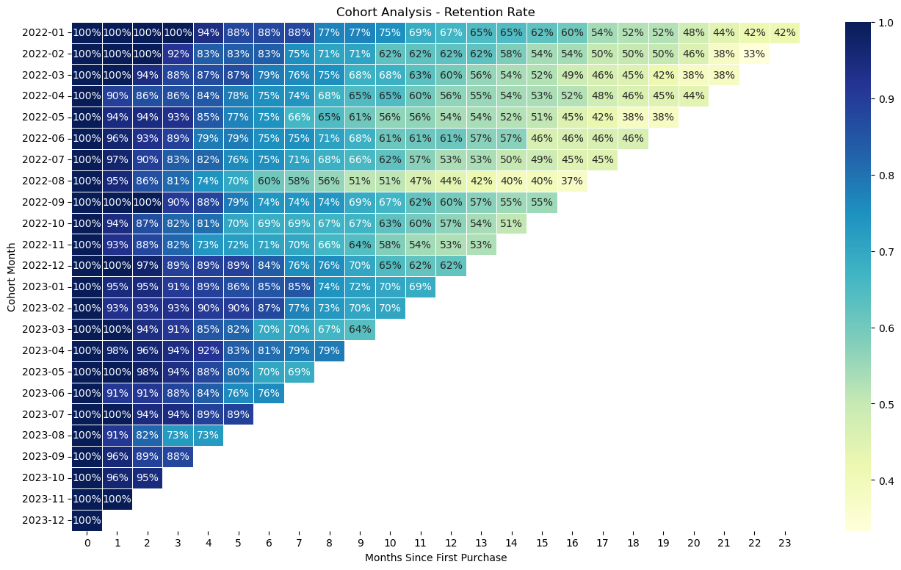
2022-01-31 | 5 | Enterprise | 5000
2022-01-31 | 6 | Basic | 1000
Select a page
2022-01-31 | 7 | Enterprise | 5000
2022-01-31 | 8 | Basic | 1000
2022-01-31 | 9 | Basic | 1000
2022-01-31 | 10 | Basic | 1000
Home
2022-01-31 | 11 | Pro | 3000
2022-01-31 | 12 | Basic | 1000
2022-01-31 | 13 | Enterprise | 5000
2022-01-31 | 14 | Enterprise | 5000
Headcount Analysis
2022-01-31 | 15 | Enterprise | 5000
2022-01-31 | 16 | Basic | 1000
2022-01-31 | 17 | Pro | 3000
2022-01-31 | 18 | Basic | 1000
2022-01-31 | 19 | Basic | 1000
Cohort Analysis
2022-01-31 | 20 | Basic | 1000
2022-01-31 | 21 | Basic | 1000
2022-01-31 | 22 | Pro | 3000
2022-01-31 | 23 | Pro | 3000
2022-01-31 | 24 | Basic | 1000
SaaS Forecast
2022-01-31 | 25 | Basic | 1000
2022-01-31 | 26 | Basic | 1000
2022-01-31 | 27 | Basic | 1000
2022-01-31 | 29 | Basic | 1000
Linear Regression
2022-01-31 | 30 | Basic | 1000
2022-01-31 | 31 | Basic | 1000
2022-01-31 | 32 | Enterprise | 5000
2022-01-31 | 33 | Enterprise | 5000
2022-01-31 | 34 | Pro | 3000
2022-01-31 | 35 | Pro | 3000
Learn more Python in Excel
2022-01-31 | 36 | Pro | 3000
2022-01-31 | 37 | Basic | 1000
2022-01-31 | 38 | Enterprise | 5000
2022-01-31 | 39 | Pro | 3000
2022-01-31 | 40 | Pro | 3000
2022-01-31 | 41 | Pro | 3000
2022-01-31 | 42 | Pro | 3000
2022-01-31 | 43 | Pro | 3000
2022-01-31 | 44 | Enterprise | 5000
2022-01-31 | 45 | Enterprise | 5000
2022-01-31 | 46 | Pro | 3000
2022-01-31 | 47 | Pro | 3000
2022-01-31 | 48 | Basic | 1000
2022-01-31 | 49 | Pro | 3000
2022-02-28 | 1 | Basic | 1000
2022-02-28 | 2 | Enterprise | 5000
2022-02-28 | 3 | Pro | 3000
2022-02-28 | 4 | Pro | 3000
2022-02-28 | 5 | Enterprise | 5000
2022-02-28 | 6 | Basic | 1000
2022-02-28 | 7 | Enterprise | 5000
...

SaaS Forecast
Python in Excel
By Christian Martinez
Month | New Customers | Churned Customers | Customer Count | Revenue per Customer | Total Revenue | Operating Expenses | Marketing Spend | R&D Spend | Salaries | Gross Profit | Net Profit | Cash Flow
2021-01 | 48 | 11 | 37 | 609.38210979 | 22547.138062 | 6760.5040236 | 9671.1996409 | 14451.528351 | 52712.436061 | 15786.634038 | -61048.530015 | -62507.063307
2021-02 | 38 | 11 | 64 | 779.05100101 | 49859.264065 | 15675.794496 | 19692.657929 | 17933.032039 | 41335.516478 | 34183.469569 | -44777.736878 | -45806.098553
2021-03 | 24 | 18 | 70 | 701.91808553 | 49134.265987 | 17379.32067 | 7629.9540483 | 27837.938176 | 37232.54497 | 31754.945317 | -40945.491877 | -44896.800212
MENU
2021-04 | 17 | 12 | 75 | 532.44612355 | 39933.459267 | 8334.941742 | 5257.4165275 | 12932.096434 | 36151.359855 | 31598.517525 | -22742.355292 | -20368.303231
2021-05 | 30 | 9 | 96 | 626.95770697 | 60187.939869 | 24009.577242 | 16450.466345 | 20266.523374 | 37543.273185 | 36178.362627 | -38081.900277 | -41259.061493
2021-06 | 48 | 7 | 137 | 623.43803142 | 85411.010304 | 25109.889206 | 17103.694656 | 14664.561448 | 38241.953911 | 60301.121098 | -9709.0889169 | -9069.4379967
Select a page
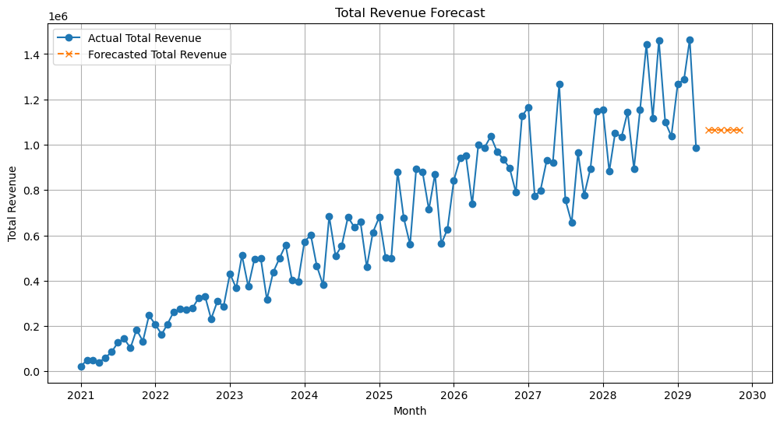
2021-07 | 28 | 16 | 149 | 848.15213642 | 126374.66833 | 32340.80276 | 10194.564816 | 21626.108345 | 36216.82947 | 94033.865567 | 25996.362936 | 29403.462795
2021-08 | 32 | 12 | 169 | 856.13529496 | 144686.86485 | 54503.369009 | 11970.107194 | 27262.77044 | 56346.620024 | 90183.49584 | -5396.0018182 | -9503.9585311
2021-09 | 20 | 10 | 179 | 574.04346498 | 102753.78023 | 35916.94216 | 14746.60524 | 27607.199373 | 52709.973965 | 66836.838071 | -28226.940506 | -27873.584866
Home
2021-10 | 20 | 15 | 184 | 998.87024252 | 183792.12462 | 71791.844862 | 5720.883863 | 14733.703874 | 31406.894034 | 112000.27976 | 60138.797992 | 57470.962108
2021-11 | 33 | 7 | 210 | 633.39050714 | 133012.0065 | 35401.153635 | 19237.185974 | 28153.874127 | 38060.174461 | 97610.852864 | 12159.618303 | 10588.886945
2021-12 | 45 | 5 | 250 | 988.30747792 | 247076.86948 | 76730.461409 | 18300.205809 | 21837.774776 | 30665.542261 | 170346.40807 | 99542.885224 | 99282.584638
2022-01 | 49 | 7 | 292 | 705.51850666 | 206011.40394 | 64782.035797 | 8913.4043501 | 17004.364934 | 44944.955599 | 141229.36815 | 70366.643264 | 68917.686297
2022-02 | 33 | 9 | 316 | 516.52536645 | 163222.0158 | 64646.742609 | 5229.5681044 | 24163.623912 | 44286.320904 | 98575.27319 | 24895.76027 | 26383.988673
Headcount Analysis
2022-03 | 12 | 19 | 309 | 672.53562401 | 207813.50782 | 44694.295516 | 19001.544621 | 19633.339759 | 54941.144702 | 163119.2123 | 69543.183221 | 69339.004239
2022-04 | 31 | 18 | 322 | 817.17567235 | 263130.5665 | 68713.759272 | 12515.598259 | 17559.751802 | 39233.317193 | 194416.80723 | 125108.13997 | 125950.13482
2022-05 | 11 | 7 | 326 | 840.35272578 | 273954.9886 | 65251.203593 | 13090.661726 | 24101.687286 | 54491.572056 | 208703.78501 | 117019.86394 | 119388.0887
2022-06 | 33 | 5 | 354 | 765.46729166 | 270975.42125 | 68745.101737 | 15259.456541 | 14974.483089 | 59039.212963 | 202230.31951 | 112957.16692 | 113534.58958
2022-07 | 39 | 9 | 384 | 723.89158229 | 277974.3676 | 82573.946752 | 14237.767466 | 16605.05058 | 32652.246701 | 195400.42085 | 131905.3561 | 132770.71045
Cohort Analysis
2022-08 | 47 | 14 | 417 | 776.44654454 | 323778.20907 | 88889.219089 | 19158.374068 | 18689.03689 | 53754.535184 | 234888.98998 | 143287.04384 | 143931.62927
2022-09 | 11 | 11 | 417 | 796.34836194 | 332077.26693 | 92629.066101 | 19163.773957 | 15073.643477 | 47698.676914 | 239448.20083 | 157512.10648 | 156299.83274
2022-10 | 30 | 19 | 428 | 540.42666317 | 231302.61184 | 85314.263246 | 18007.984003 | 18104.041736 | 44401.379011 | 145988.34859 | 65474.94384 | 63849.412178
2022-11 | 42 | 18 | 452 | 684.82722803 | 309541.90707 | 119484.21834 | 14546.053962 | 21429.460504 | 42616.07336 | 190057.68873 | 111466.1009 | 115462.57487
SaaS Forecast
2022-12 | 21 | 11 | 462 | 621.07996914 | 286938.94574 | 61428.815218 | 17014.23942 | 24819.477218 | 53540.047918 | 225510.13052 | 130136.36597 | 131211.91819
2023-01 | 31 | 15 | 478 | 901.56987819 | 430950.40177 | 104196.80141 | 15157.525136 | 25343.897062 | 49180.840709 | 326753.60036 | 237071.33745 | 234514.86901
2023-02 | 34 | 13 | 499 | 735.15031722 | 366840.00829 | 122608.46031 | 13600.505625 | 26455.807038 | 54151.340026 | 244231.54798 | 150023.89529 | 150006.37227
2023-03 | 36 | 19 | 516 | 991.71157045 | 511723.17035 | 139050.20766 | 6927.5052985 | 24884.233139 | 57094.53176 | 372672.96269 | 283766.69249 | 282070.1773
2023-04 | 37 | 19 | 534 | 699.41222122 | 373486.12613 | 93682.544566 | 17168.062651 | 23620.788542 | 48517.911363 | 279803.58157 | 190496.81901 | 194833.73725
Linear Regression
2023-05 | 25 | 14 | 545 | 908.21593661 | 494977.68545 | 128227.98749 | 17309.592136 | 14750.129426 | 59413.881753 | 366749.69796 | 275276.09465 | 270351.43828
2023-06 | 24 | 14 | 555 | 899.17256249 | 499040.77218 | 132001.35093 | 14389.095052 | 18004.457857 | 48242.635486 | 367039.42126 | 286403.23286 | 283656.56084
2023-07 | 12 | 16 | 551 | 575.35877198 | 317022.68336 | 117214.05181 | 17306.402657 | 19554.297818 | 49099.329649 | 199808.63155 | 113848.60143 | 112502.16963
2023-08 | 46 | 17 | 580 | 754.09938837 | 437377.64525 | 99426.552298 | 14772.271578 | 11657.826434 | 46644.468256 | 337951.09296 | 264876.52669 | 264754.6247
2023-09 | 16 | 7 | 589 | 847.9064034 | 499416.8716 | 170691.79678 | 8100.2653982 | 20567.402426 | 32730.062732 | 328725.07482 | 267327.34426 | 270835.51944
2023-10 | 30 | 19 | 600 | 929.17940241 | 557507.64144 | 173141.80058 | 9109.4169098 | 18726.716632 | 51791.91098 | 384365.84086 | 304737.79634 | 300616.67259
Learn more Python in Excel
2023-11 | 18 | 11 | 607 | 662.9794526 | 402428.52773 | 104350.53366 | 8218.8367956 | 26042.184981 | 46423.389207 | 298077.99407 | 217393.58309 | 220452.23195
2023-12 | 48 | 5 | 650 | 610.12052378 | 396578.34046 | 112610.86717 | 10658.886248 | 29558.013375 | 43527.313422 | 283967.47329 | 200223.26024 | 195779.79513
2024-01 | 27 | 8 | 669 | 855.57476622 | 572379.5186 | 143805.42513 | 5584.4469847 | 21120.100773 | 57314.138352 | 428574.09347 | 344555.40736 | 347978.54772
2024-02 | 13 | 17 | 665 | 904.75052307 | 601659.09784 | 193916.37709 | 14273.808265 | 16453.727766 | 38938.783546 | 407742.72075 | 338076.40118 | 333592.75596
2024-03 | 34 | 8 | 691 | 674.33299365 | 465964.09861 | 100796.81147 | 10048.313223 | 10868.015666 | 45708.06828 | 365167.28714 | 298542.88997 | 293725.31479
2024-04 | 23 | 18 | 696 | 548.08827555 | 381469.43978 | 76689.461296 | 14835.839531 | 28492.866604 | 50929.256145 | 304779.97848 | 210522.0162 | 212491.63083
2024-05 | 18 | 9 | 705 | 970.26163224 | 684034.45073 | 222707.1724 | 10780.949314 | 28382.314306 | 53894.15327 | 461327.27834 | 368269.86145 | 373242.41679
2024-06 | 35 | 11 | 729 | 698.78601054 | 509415.00169 | 121676.21361 | 15224.205035 | 15059.80336 | 43780.404238 | 387738.78808 | 313674.37545 | 317640.47807
2024-07 | 11 | 11 | 729 | 758.87567526 | 553220.36727 | 118493.26548 | 10109.368542 | 23908.222462 | 55262.742451 | 434727.10178 | 345446.76833 | 346206.75251
2024-08 | 29 | 17 | 741 | 918.85505295 | 680871.59424 | 190206.08625 | 8910.4179235 | 11508.690942 | 53067.532239 | 490665.50799 | 417178.86689 | 421352.82302
2024-09 | 37 | 19 | 759 | 837.84505852 | 635924.39942 | 133641.86941 | 12440.561814 | 13324.308638 | 31987.079336 | 502282.53001 | 444530.58022 | 439583.58029
2024-10 | 16 | 15 | 760
2024-11 | 17 | 17 | 760
2024-12 | 44 | 8 | 796
...

Linear Regression
Python in Excel
By Christian Martinez
Month | Marketing_Spend | Economic_Growth | Sales_Revenue
Jan-23 | 7,293 | 2.64 | 34,896
Feb-23 | 8,291 | 2.38 | 40,761
Mar-23 | 7,617 | 3.48 | 39,641
MENU
Apr-23 | 7,269 | 1.70 | 33,170
May-23 | 6,542 | 1.92 | 37,978
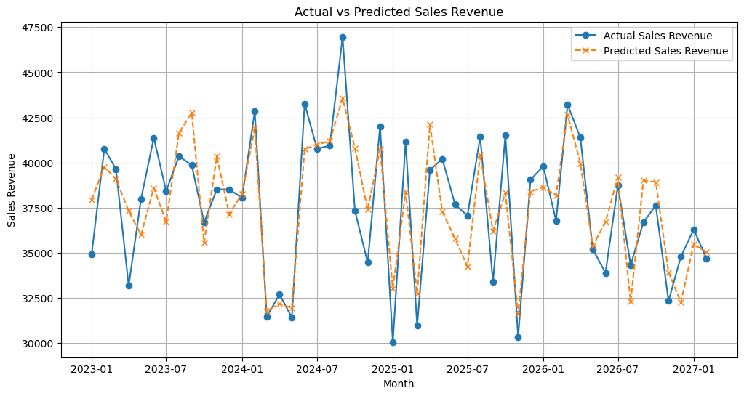
Jun-23 | 7,875 | 1.82 | 41,365
Select a page
Jul-23 | 6,626 | 2.81 | 38,415
Aug-23 | 9,351 | 2.01 | 40,348
Sep-23 | 9,782 | 2.43 | 39,855
Home
Oct-23 | 6,301 | 1.99 | 36,699
Nov-23 | 8,750 | 1.82 | 38,512
Dec-23 | 7,173 | 1.72 | 38,512
Jan-24 | 7,408 | 2.81 | 38,046
Feb-24 | 9,554 | 1.78 | 42,837
Headcount Analysis
Mar-24 | 4,426 | 1.89 | 31,458
Apr-24 | 4,523 | 2.24 | 32,696
May-24 | 4,121 | 3.14 | 31,406
Jun-24 | 8,996 | 1.69 | 43,257
Cohort Analysis
Jul-24 | 8,669 | 3.18 | 40,768
Aug-24 | 9,220 | 1.69 | 40,936
Sep-24 | 9,872 | 3.45 | 46,963
Oct-24 | 8,795 | 2.44 | 37,332
SaaS Forecast
Nov-24 | 6,769 | 3.45 | 34,450
Dec-24 | 8,683 | 2.71 | 42,015
Jan-25 | 4,710 | 2.98 | 30,052
Feb-25 | 7,840 | 1.58 | 41,145
Mar-25 | 4,860 | 2.07 | 30,959
Linear Regression
Apr-25 | 9,668 | 1.74 | 39,582
May-25 | 7,131 | 2.09 | 40,200
Jun-25 | 6,488 | 1.74 | 37,674
Jul-25 | 5,587 | 2.14 | 37,046
Aug-25 | 8,645 | 2.33 | 41,431
Learn more Python in Excel
Sep-25 | 6,737 | 1.63 | 33,380
Oct-25 | 7,411 | 2.88 | 41,526
Nov-25 | 4,113 | 2.63 | 30,323
Dec-25 | 7,706 | 2.03 | 39,047
Jan-26 | 7,673 | 2.55 | 39,786
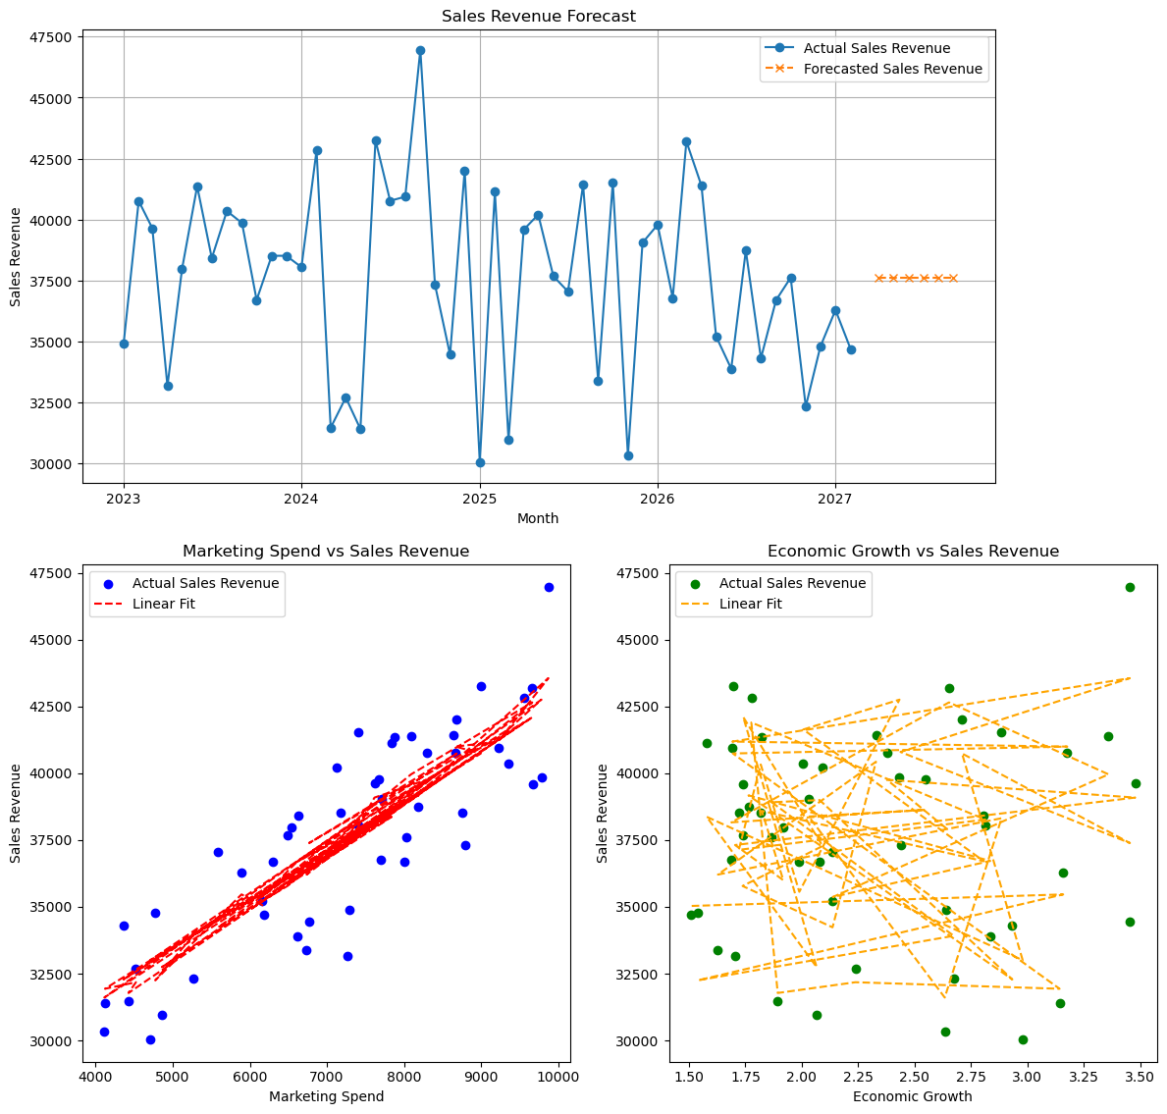
Feb-26 | 7,702 | 1.69 | 36,781
Mar-26 | 9,662 | 2.65 | 43,205
Apr-26 | 8,091 | 3.36 | 41,385
May-26 | 6,157 | 2.14 | 35,204
Jun-26 | 6,622 | 2.83 | 33,880
Jul-26 | 8,186 | 1.76 | 38,732
Aug-26 | 4,361 | 2.93 | 34,308
Sep-26 | 8,001 | 2.08 | 36,691
Oct-26 | 8,024 | 1.87 | 37,615
Nov-26 | 5,262 | 2.67 | 32,327
Dec-26 | 4,774 | 1.54 | 34,786
Jan-27 | 5,893 | 3.16 | 36,288
Feb-27 | 6,182 | 1.51 | 34,689

